TestSummary
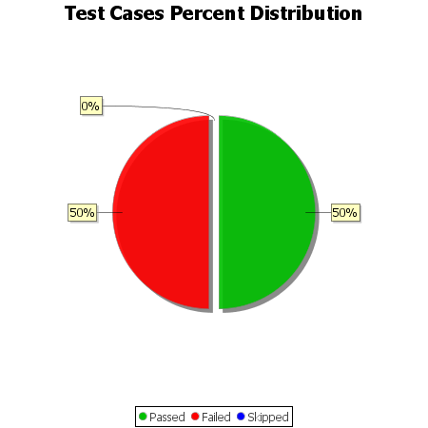
Total Test Cases | 14
Test Cases Passed | 7
Test Cases Failed | 7
Test Cases Skipped | 0

